What is an annual account
What is an annual account?
Checklist and good advice for setting up the annual account
1) The account must contain an income statement
2) CISU must be able to see that the organization has 25/50 paying members or financial contributors (see the grant management guide for the requirements for the specific pools)
3) The account must contain an income statement and a balance (assets and liabilities)
4) Assets and liabilities must be aligned.
5) If the organization has grants above DKK 500.000 the accounts must contain a note that shows the received funds per grant in the year. The note must be subject to audit.
6) The account must be signed by the person authorized to sign on behalf of the organization.
7) The account must include an audit statement signed by the auditor.
8) The signature must be either handwritten or signed with digital signature - not with a font that looks like handwriting.
9) Be consistent in setting up the account.
10) Make sure to state the right period.
11) Apply thousands separators (i.e., 1.000.000)
12) Check for spelling errors and typos.
Accounts and bookkeeping systems contain five fundamental account types:
Turnover | Incomes - must not be confused with profit or loss
Expenses | Expenses
Assets | Organizational valuables (bank balance, receivables, buildings, furniture etc.)
Liabilities [debt, payables etc.] | The debt of the organization, including equity
Equity | The sum of the assets minus provision and debt

What should be included in an annual account?
An annual account includes an income statement and a balance:

Income statement | Balance
The Income statement / Profit & Loss shows the turnover/incomes and expenses, as well as the profit or loss of the period. The income statement is often referred to as an account, but in reality the balance is a compulsory part of the account. | The Balance shows the assets and liabilities, where liabilities also includes the equity. Assets are the organization's valuables (bank balance, receivables, buildings, furniture etc.), while liabilities are the debt of the organization and the equity is often bound to specific expenses.

Connection between the income statement and the balance
Assets are always equal to liabilities (incl. equity). See example at sheet 1.
The income statement is always equal to movements in the balance.
If these numbers do not add up, there is an error somewhere in the accounting or bookkeeping.

How should an account be set up?
An account can be set up in two different ways. Both are correct and internationally acknowledged, and you simply choose the version that makes the most sense to you.

Version 1 | Version 2
Signs in both income statement and balance. Turnover in minus - expenses in plus Assets in plus - liabilities in minus I.e. the entire account with signs. | Both the income statement and the balance are without signs. I.e. the entire account without signs.

Example: | Example
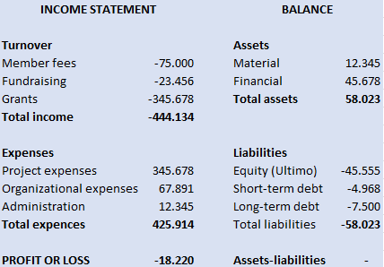
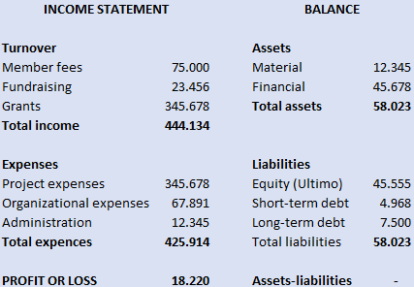

What is auditing?
Once the account is prepared, it must be subject to audit. This can be conducted by either a not professionally trained auditor appointed by the organization (if the organization only has grants below DKK 500.000) or by an approved registered auditor (if the organization has grants above DKK 500.000). Regardless, it is important that the person live up to regular requirements of hability. The auditor must sign and state that they have conducted their work and provide the account with a statement. It could for instance sound like this:

"Auditor has controlled the account and assured that there are records as documentation for all incomes and expenses, and that the bank and balance are reconciliated."

The auditor must as a minimum perform the following tasks:
Prepare an audit statement for the account
Sample control of records and entries
Control the organization's liquids
Secure a true and fair annual account
Control possible assets of the organization

Which requirements does CISU have for financial management?
When you apply for a grant at CISU, there is a number of requirements for financial management in your organization, that you must live up tol. For the full list of requirements, see the grant management guide for the Civil Society Fund, 4.5. Below, some of the requirements are highlighted.

Requirements for financial management:
Budget responsibility above DKK 500.000: Requirement to apply double bookkeeping system. | Budget responsibility below DKK 500.000: Can bookkeep in a cashbook (electronic or physical), but it is highly recommended to apply an electronic bookkeeping system.
Written procedures for the financial management of the organization.
Monthly reconciliation between bank account and bookkeeping. Must be checked and approved by another person than the one responsible for making the reconciliation.
Follow up on expenditure in relation to budget for projects supported by CISU (report) must be performed at least 3 times a year. Must be checked and approved by another person than the one who made the report.
Personal separation of functions between the access to dispose, approve, bookkeep and pay. I.e., there must be documented B-procuration (approval needed from 2 or more persons on all transactions) on the account to which CISU-funds are deposited.

